Sheet1
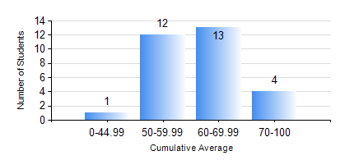
 |  |  | KWAME NKRUMAH UNIVERSITY OF SCIENCE AND TECHNOLOGY, KUMASI Department of Mechanical Engineering

 |  |  | BSC. MARINE ENG.

 |  |  | COMPREHENSIVE RECORD OF EXAMINATION RESULTS

 |  |  | RESULTS OF YEAR 1 FIRST SEMESTER, 2019/2020 ACADEMIC YEAR

 | Sn | Course Code |  | Course Name | Credit Hours | Min. Mark | Max. Mark | Avg. Mark | Std. Dev. | No. Passed | No. Trailed | No. (Df) | No. (I) | No. (I*) | No. Tagged(I,I*,Df) | Total
 | 1. | EE 151 |  | APPLIED ELECTRICITY | 3 | 40 | 92 | 69 | 14.2 | 30 | 0 | 0 | 0 | 0 | 0 | 30
 | 2. | ENGL 157 |  | COMMUNICATION SKILLS I | 2 | 40 | 67 | 54 | 6.87 | 30 | 0 | 0 | 0 | 0 | 0 | 30
 | 3. | FC 181 |  | FRENCH FOR COMMUNICATION PURPOSES I | 2 | 40 | 90 | 69 | 13.54 | 30 | 0 | 0 | 0 | 0 | 0 | 30
 | 4. | MATH 151 |  | ALGEBRA | 4 | 27 | 83 | 66 | 10.94 | 29 | 1 | 0 | 0 | 0 | 0 | 30
 | 5. | ME 157 |  | INTRODUCTION TO INFORMATION TECHNOLOGY | 2 | 45 | 86 | 62 | 10.27 | 30 | 0 | 0 | 0 | 0 | 0 | 30
 | 6. | ME 159 |  | TECHNICAL DRAWING | 2 | 40 | 84 | 60 | 11.96 | 30 | 0 | 0 | 0 | 0 | 0 | 30
 | 7. | MME 155 |  | MARINE ENVIRONMENTAL STUDIES | 2 | 43 | 89 | 68 | 10.15 | 30 | 0 | 0 | 0 | 0 | 0 | 30
 | 8. | MME 195 |  | MARINE ENGINEERING TECHNOLOGY | 2 | 40 | 61 | 50 | 6.05 | 30 | 0 | 0 | 0 | 0 | 0 | 30

